Тренд
Сценарий | 2020-10-17 | 2020-10-26 | 2020-12-01 | 2020-12-02 | 2020-12-03 | 2020-12-04 | 2020-12-11 | 2020-12-18 | 2021-01-12 | 2021-01-15 | 2021-01-22 | 2021-01-30 | 2021-02-05 | 2021-02-13 | 2021-02-26 | 2021-03-06 | 2021-03-13 | 2021-03-19 | 2021-03-30 | 2021-04-06 | 2021-04-09 | 2021-04-17 | 2021-04-23 | 2021-05-15 | 2021-05-22 | 2021-06-09 | 2021-06-12 | 2021-06-18 | 2021-06-25 | 2021-07-06 | 2021-07-13 | 2021-07-16 | 2021-07-23 | 2021-07-31 | 2021-08-06 | 2021-08-13 | 2021-08-20 | 2021-08-27 | 2021-09-03 | 2021-09-13 | 2021-09-21 | 2021-09-28 | 2021-10-02 | 2021-10-08 | 2021-10-13 | 2021-10-18 | 2021-10-22 | 2021-11-09 | 2021-11-13 | 2021-11-19 | 2021-11-30 | 2021-12-03 | 2021-12-10 | 2021-12-19 | 2021-12-30 | 2022-01-14 | 2022-01-22 | 2022-01-28 | 2022-02-04 | 2022-02-13 | 2022-02-18 | 2022-02-26 | 2022-03-11 | 2022-03-18

UC_01 | 9.6 | 10.7 | 10.3 | 9.8 | 11.7 | 10.1 | 10.2 | 8.5 | 10.0 | 9.7 | 9.6 | 10.9 | 11.9 | 9.7 | 10.2 | 12.1 | 10.8 | 10.7 | 12.9 | 13.4 | 11.8 | 13.1 | 12.0 | 9.8 | 9.6 | 9.1 | 9.3 | 9.4 | 10.0 | 9.6 | 10.5 | 10.3 | 9.5 | 9.4 | 9.5 | 10.0 | 9.5 | 9.1 | 8.8 | 9.8 | 9.1 | 12.2 | 13.3 | 9.9 | 10.9 | 4.0 | 3.3 | 3.5 | 2.6 | 2.9 | 2.9 | 2.8 | 2.8 | 3.0 | 3.0 | 2.9 | 3.0 | 3.7 | 3.7 | 3.8 | 3.9 | 3.0 | 3.2 | 3.3
UC_02 | 33.0 | 37.8 | 28.0 | 26.4 | 30.0 | 26.4 | 28.1 | 24.2 | 26.9 | 26.4 | 25.5 | 28.1 | 30.6 | 26.4 | 25.0 | 28.5 | 26.2 | 26.4 | 29.7 | 31.6 | 27.7 | 30.8 | 27.6 | 23.0 | 23.7 | 22.5 | 22.7 | 23.4 | 24.3 | 23.9 | 24.6 | 24.3 | 22.9 | 22.8 | 23.1 | 24.3 | 23.1 | 23.2 | 22.0 | 23.2 | 22.1 | 28.4 | 30.4 | 23.9 | 26.9 | 12.8 | 12.1 | 11.6 | 10.3 | 10.5 | 10.3 | 10.3 | 9.9 | 10.6 | 10.2 | 10.5 | 10.4 | 11.8 | 12.0 | 12.2 | 12.7 | 10.5 | 11.2 | 11.1
UC_03 | 8.1 | 8.5 | 15.7 | 16.0 | 18.5 | 17.0 | 15.3 | 13.6 | 15.6 | 17.2 | 14.9 | 16.8 | 19.8 | 17.2 | 19.1 | 18.7 | 17.5 | 18.4 | 19.6 | 19.6 | 18.5 | 20.3 | 19.2 | 16.7 | 15.3 | 14.7 | 16.1 | 15.7 | 16.6 | 16.4 | 17.4 | 17.2 | 15.3 | 15.6 | 16.1 | 18.2 | 16.2 | 15.8 | 13.9 | 15.3 | 14.1 | 20.3 | 79.1 | 17.8 | 18.7 | 19.9 | 8.6 | 24.0 | 15.5 | 14.6 | 26.9 | 24.9 | 8.4 | 7.3 | 7.9 | 6.9 | 7.5 | 8.6 | 9.7 | 9.4 | 10.0 | 8.0 | 8.5 | 8.3
UC_04 | 8.8 | 9.8 | 7.4 | 6.8 | 8.1 | 7.1 | 7.3 | 6.0 | 7.3 | 6.8 | 6.7 | 7.9 | 8.3 | 6.8 | 7.1 | 8.6 | 7.6 | 7.7 | 9.2 | 9.2 | 8.4 | 9.5 | 8.4 | 7.0 | 6.6 | 6.6 | 6.4 | 6.6 | 7.1 | 6.7 | 7.5 | 7.3 | 6.7 | 6.8 | 6.6 | 7.0 | 6.8 | 6.5 | 6.3 | 6.9 | 6.5 | 8.7 | 9.5 | 7.0 | 7.7 | 2.7 | 2.2 | 2.4 | 1.8 | 2.0 | 1.9 | 1.9 | 1.9 | 2.1 | 2.0 | 2.0 | 2.1 | 2.6 | 2.6 | 2.6 | 2.7 | 2.1 | 2.1 | 2.3
UC_05 | 44.7 | 50.9 | 9.5 | 9.0 | 10.4 | 9.0 | 9.4 | 8.0 | 9.0 | 9.0 | 9.0 | 9.7 | 10.7 | 9.0 | 9.3 | 11.3 | 10.1 | 10.0 | 11.7 | 12.2 | 11.0 | 11.7 | 10.9 | 9.0 | 8.9 | 8.3 | 8.5 | 8.5 | 9.1 | 8.9 | 9.5 | 9.4 | 8.7 | 8.7 | 8.7 | 9.2 | 9.1 | 8.8 | 8.1 | 9.1 | 8.5 | 11.4 | 12.2 | 9.1 | 10.2 | 4.8 | 4.1 | 4.2 | 3.4 | 3.6 | 3.6 | 3.5 | 3.5 | 3.7 | 3.7 | 3.7 | 3.8 | 4.5 | 4.5 | 4.6 | 4.7 | 3.8 | 3.9 | 4.0
UC_06 | 7.1 | 7.8 | 6 | 5.6 | 6.7 | 5.7 | 5.8 | 4.6 | 5.7 | 5.6 | 5.4 | 6.2 | 6.8 | 5.6 | 5.8 | 6.9 | 6.2 | 6.1 | 7.4 | 7.7 | 6.7 | 7.5 | 6.9 | 5.5 | 5.4 | 5.2 | 5.3 | 5.3 | 5.7 | 5.4 | 5.9 | 5.8 | 5.4 | 5.3 | 5.4 | 5.7 | 5.4 | 5.2 | 5.0 | 5.6 | 5.2 | 7.0 | 7.5 | 5.6 | 6.2 | 2.3 | 2.0 | 2.1 | 1.6 | 1.7 | 1.7 | 1.7 | 1.6 | 1.8 | 1.8 | 1.7 | 1.8 | 2.2 | 2.2 | 2.3 | 2.3 | 1.8 | 1.9 | 1.9

 |  | UC_01 | UC_02 | UC_03 | UC_04 | UC_05 | UC_06
10/17/2020 |  | 9.6 | 33.0 | 8.1 | 8.8 | 44.7 | 7.1
10/26/2020 |  | 10.7 | 37.8 | 8.5 | 9.8 | 50.9 | 7.8
12/1/2020 |  | 10.3 | 28.0 | 15.7 | 7.4 | 9.5 | 6
12/2/2020 |  | 9.8 | 26.4 | 16.0 | 6.8 | 9.0 | 5.6
12/3/2020 |  | 11.7 | 30.0 | 18.5 | 8.1 | 10.4 | 6.7
12/4/2020 |  | 10.1 | 26.4 | 17.0 | 7.1 | 9.0 | 5.7
12/11/2020 |  | 10.2 | 28.1 | 15.3 | 7.3 | 9.4 | 5.8
12/18/2020 |  | 8.5 | 24.2 | 13.6 | 6 | 8.0 | 4.6
1/12/2021 |  | 10.0 | 26.9 | 15.6 | 7.3 | 9.0 | 5.7
1/15/2021 |  | 9.7 | 26.4 | 17.2 | 6.8 | 9.0 | 5.6
1/22/2021 |  | 9.6 | 25.5 | 14.9 | 6.7 | 9.0 | 5.4
1/30/2021 |  | 10.9 | 28.1 | 16.8 | 7.9 | 9.7 | 6.2
2/5/2021 |  | 11.9 | 30.6 | 19.8 | 8.3 | 10.7 | 6.8
2/13/2021 |  | 9.7 | 26.4 | 17.2 | 6.8 | 9.0 | 5.6
2/26/2021 |  | 10.2 | 25.0 | 19.1 | 7.1 | 9.3 | 5.8
3/6/2021 |  | 12.1 | 28.5 | 18.7 | 8.6 | 11.3 | 6.9
3/13/2021 |  | 10.8 | 26.2 | 17.5 | 7.6 | 10.1 | 6.2
3/19/2021 |  | 10.7 | 26.4 | 18.4 | 7.7 | 10.0 | 6.1
3/30/2021 |  | 12.9 | 29.7 | 19.6 | 9.2 | 11.7 | 7.4
4/6/2021 |  | 13.4 | 31.6 | 19.6 | 9.2 | 12.2 | 7.7
4/9/2021 |  | 11.8 | 27.7 | 18.5 | 8.4 | 11.0 | 6.7
4/17/2021 |  | 13.1 | 30.8 | 20.3 | 9.5 | 11.7 | 7.522
4/23/2021 |  | 12.0 | 27.6 | 19.2 | 8.445 | 10.9 | 6.85
5/15/2021 |  | 9.8 | 23.0 | 16.7 | 7 | 9.0 | 5.5
5/22/2021 |  | 9.6 | 23.7 | 15.3 | 6.6 | 8.9 | 5.4
6/9/2021 |  | 9.1 | 22.5 | 14.7 | 6.553 | 8.3 | 5.179
6/12/2021 |  | 9.3 | 22.7 | 16.1 | 6.43 | 8.5 | 5.309
6/18/2021 |  | 9.4 | 23.4 | 15.7 | 6.6 | 8.5 | 5.3
6/25/2021 |  | 10.0 | 24.3 | 16.6 | 7.1 | 9.1 | 5.7
7/6/2021 |  | 9.6 | 23.9 | 16.4 | 6.7 | 8.9 | 5.4
7/13/2021 |  | 10.5 | 24.6 | 17.4 | 7.5 | 9.5 | 5.9
7/16/2021 |  | 10.3 | 24.3 | 17.2 | 7.3 | 9.4 | 5.8
7/23/2021 |  | 9.5 | 22.9 | 15.3 | 6.7 | 8.7 | 5.4
7/31/2021 |  | 9.4 | 22.8 | 15.6 | 6.8 | 8.7 | 5.3
8/6/2021 |  | 9.5 | 23.1 | 16.1 | 6.6 | 8.7 | 5.4
8/13/2021 |  | 10.0 | 24.3 | 18.2 | 7 | 9.2 | 5.7
8/20/2021 |  | 9.5 | 23.1 | 16.2 | 6.8 | 9.1 | 5.4
8/27/2021 |  | 9.1 | 23.2 | 15.8 | 6.5 | 8.8 | 5.2
9/3/2021 |  | 8.8 | 22.0 | 13.9 | 6.3 | 8.1 | 5
9/13/2021 |  | 9.8 | 23.2 | 15.3 | 6.9 | 9.1 | 5.6
9/21/2021 |  | 9.1 | 22.1 | 14.1 | 6.5 | 8.5 | 5.2
9/28/2021 |  | 12.2 | 28.4 | 20.3 | 8.7 | 11.4 | 7
10/2/2021 |  | 13.3 | 30.4 | 79.1 | 9.5 | 12.2 | 7.5
10/8/2021 |  | 9.9 | 23.9 | 17.8 | 7 | 9.1 | 5.6
10/13/2021 |  | 10.9 | 26.9 | 18.7 | 7.7 | 10.2 | 6.2
10/18/2021 |  | 4.0 | 12.8 | 19.9 | 2.7 | 4.8 | 2.3
10/22/2021 |  | 3.3 | 12.1 | 8.6 | 2.2 | 4.1 | 2
11/9/2021 |  | 3.5 | 11.6 | 24.0 | 2.4 | 4.2 | 2.1
11/13/2021 |  | 2.6 | 10.3 | 15.5 | 1.8 | 3.4 | 1.6
11/19/2021 |  | 2.9 | 10.5 | 14.6 | 2 | 3.6 | 1.7
...

UC_01
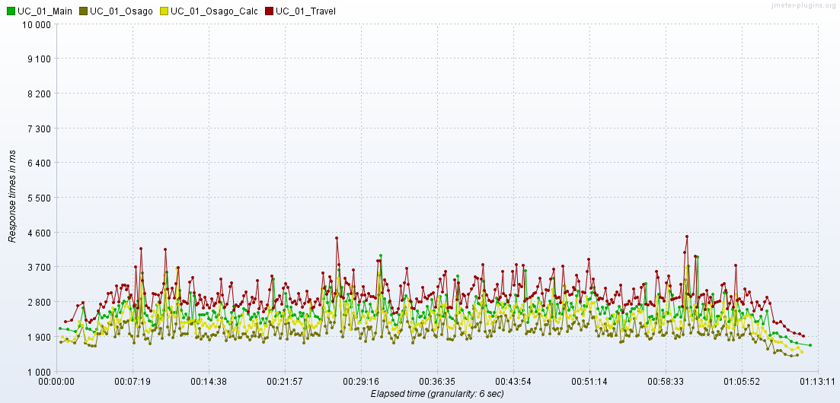
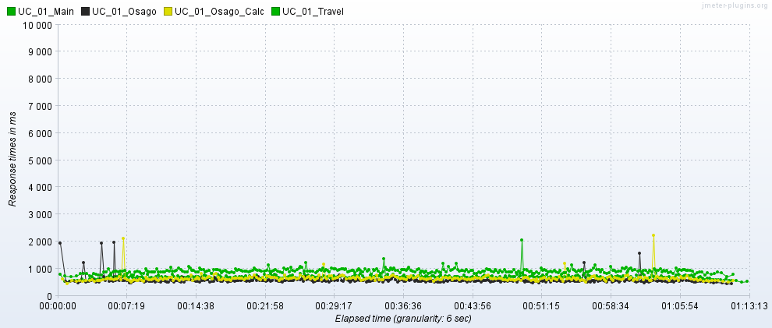
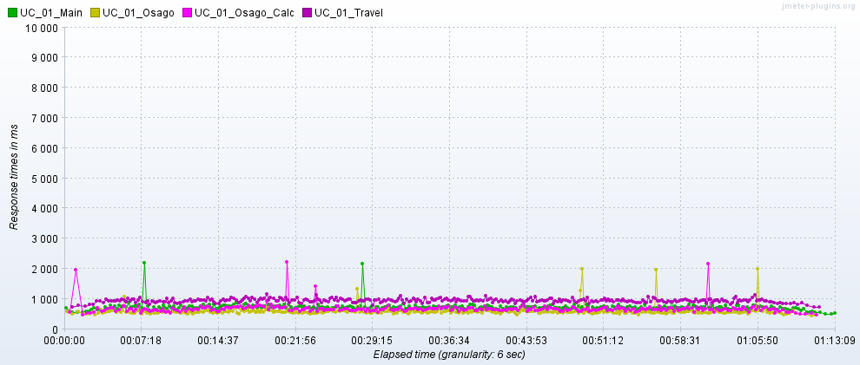
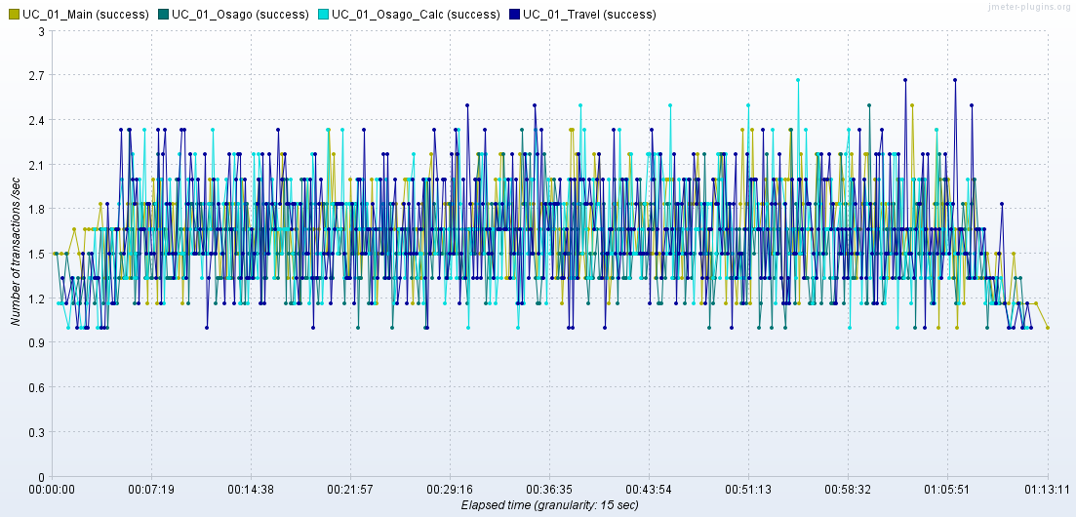
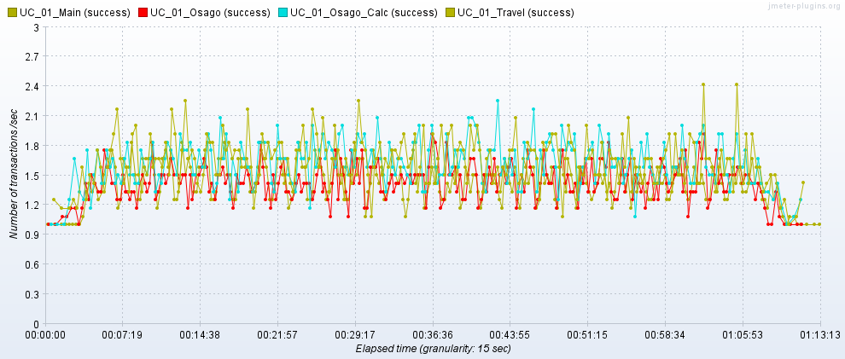
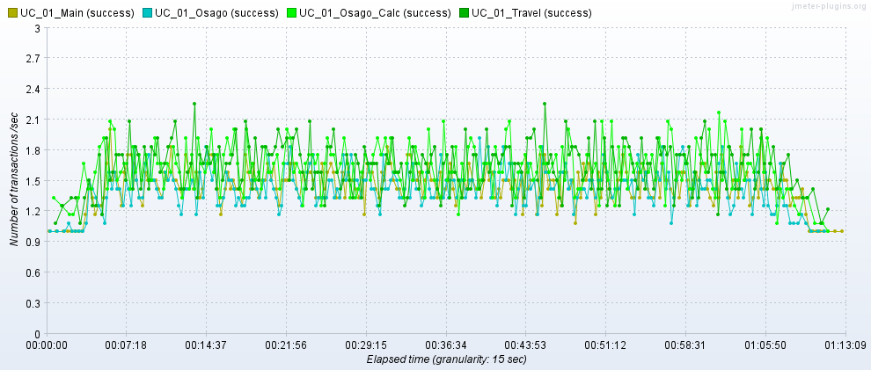
2020-12-03 03:30-04:30 | 2022-03-11 03:30-04:30 | 2022-03-18 03:30-04:30

UC_02
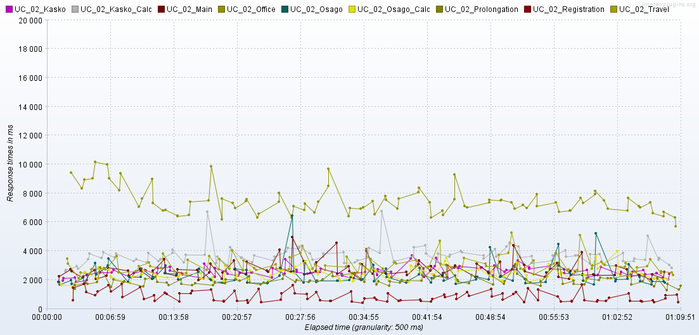
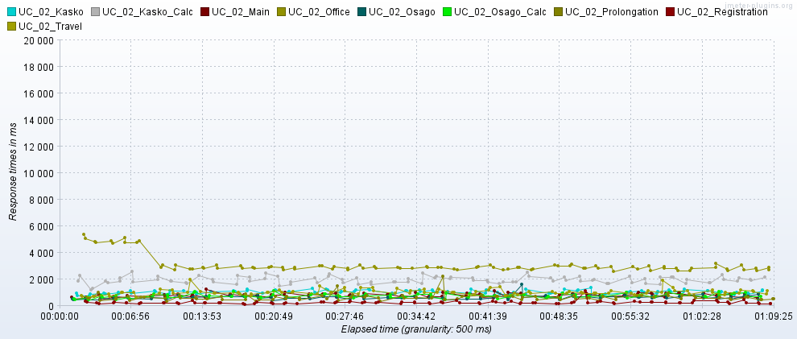
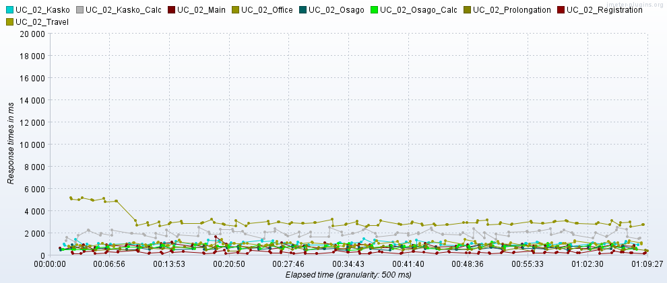
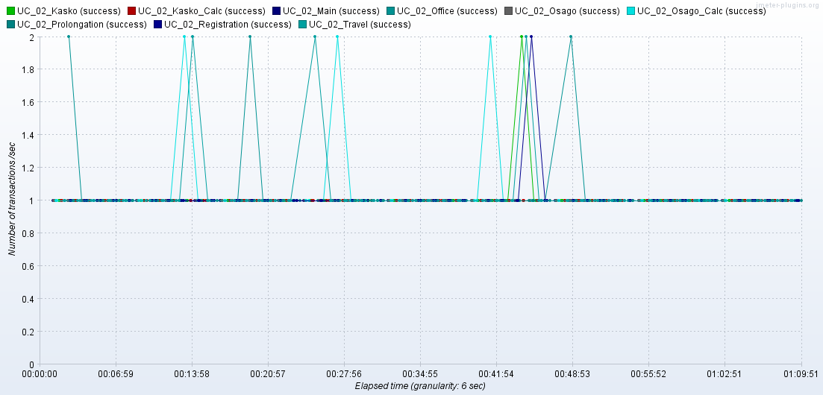
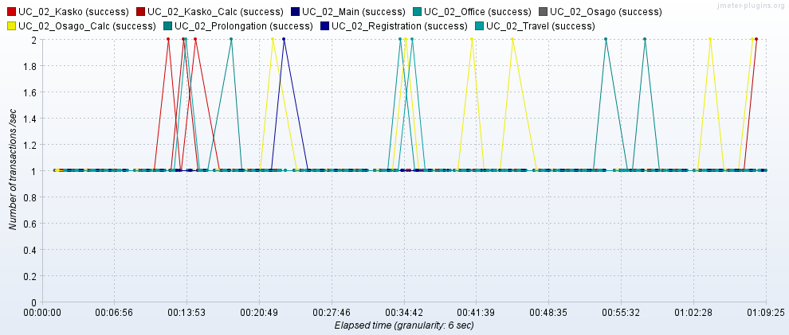
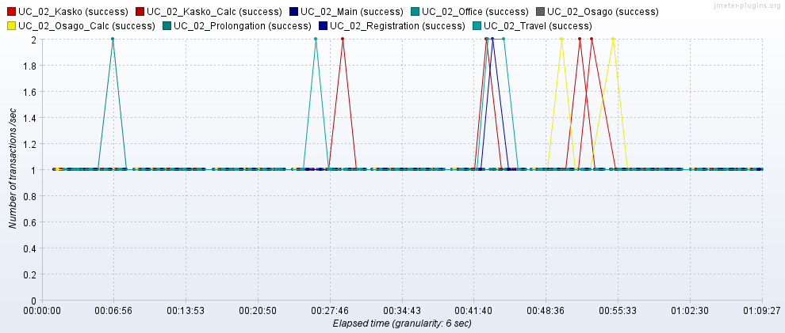
2020-12-03 03:30-04:30 | 2022-03-11 03:30-04:30 | 2022-03-18 03:30-04:30

UC_03
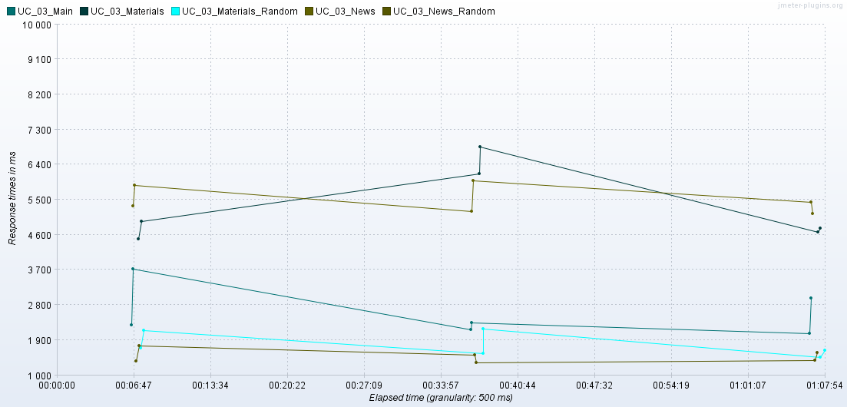
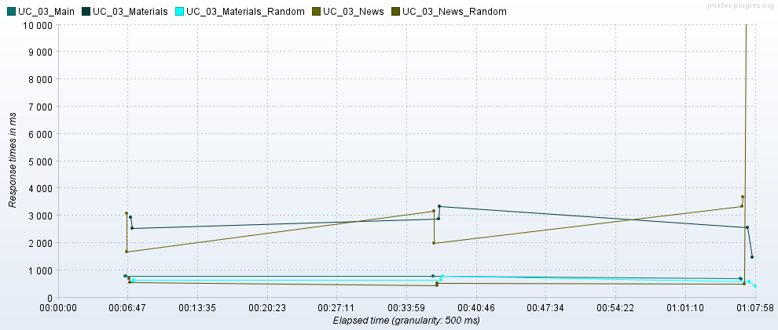
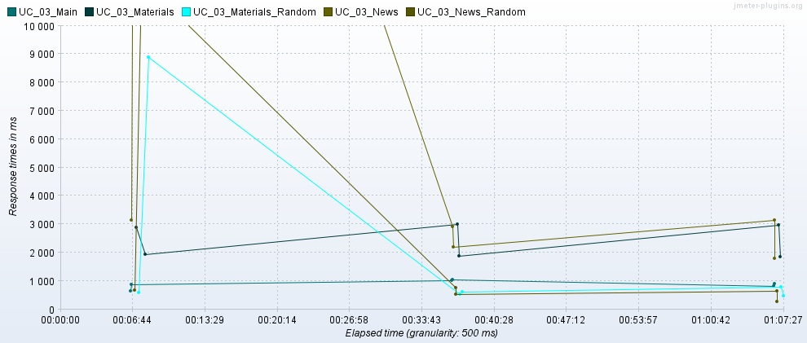
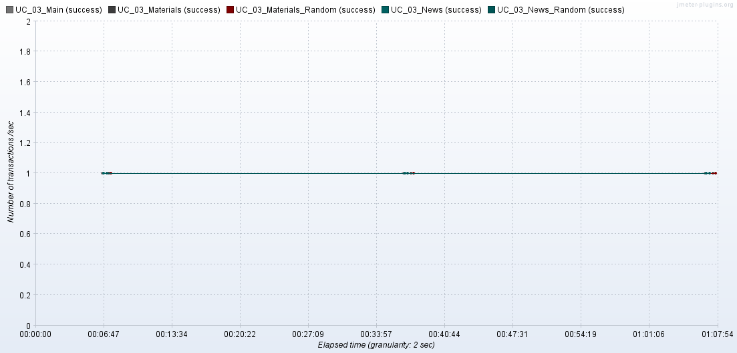
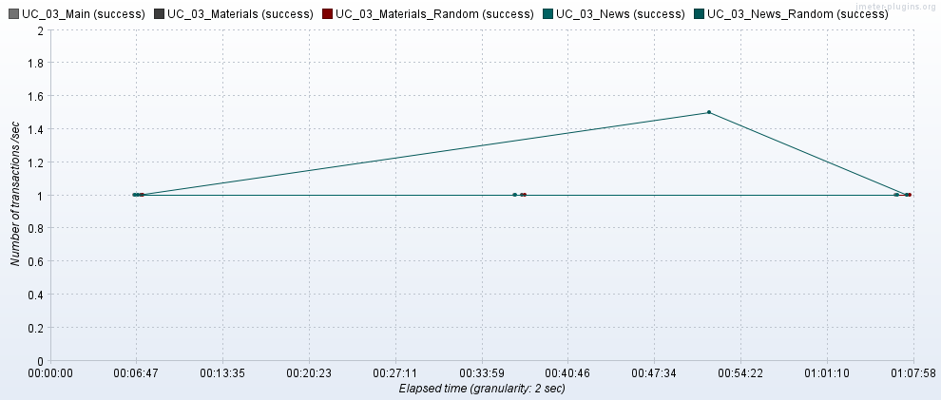
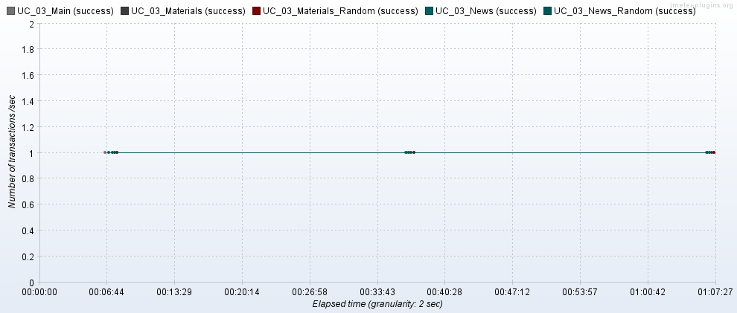
2020-12-03 03:30-04:30 | 2022-03-11 03:30-04:30 | 2022-03-18 03:30-04:30

UC_04
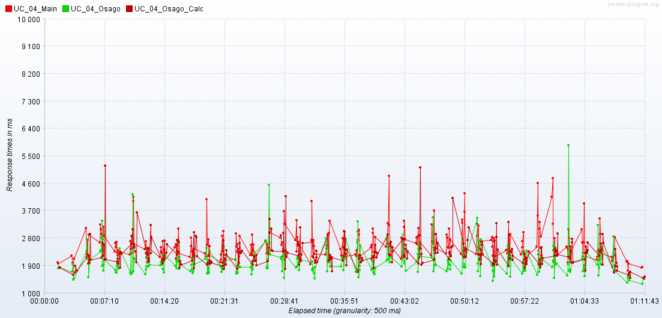
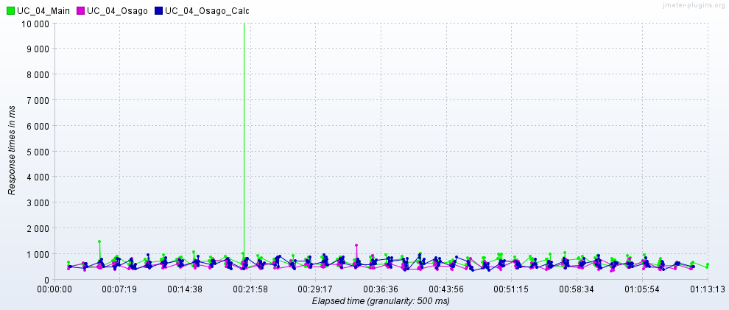
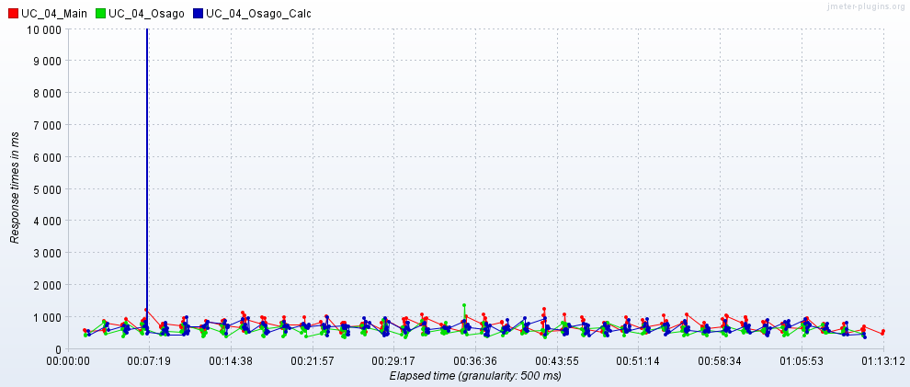
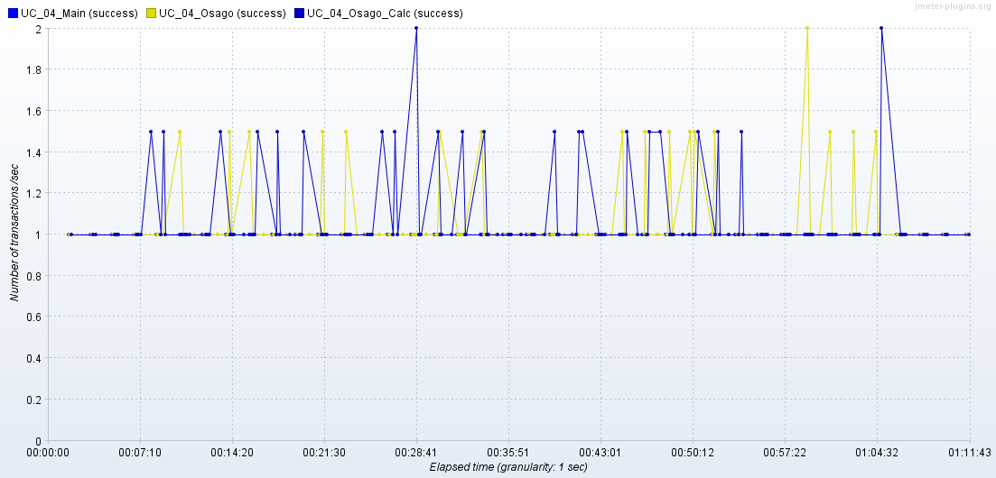
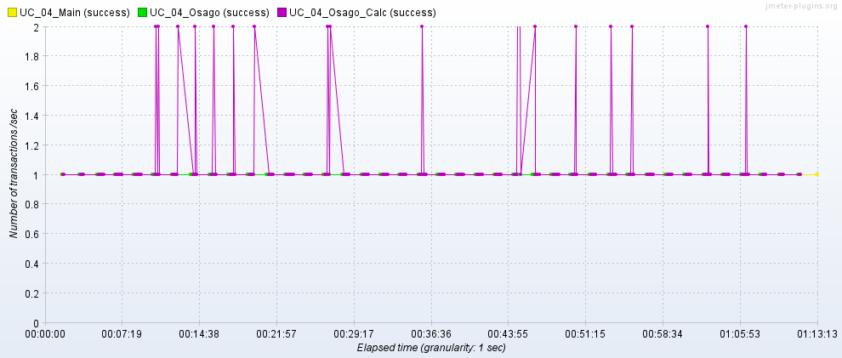
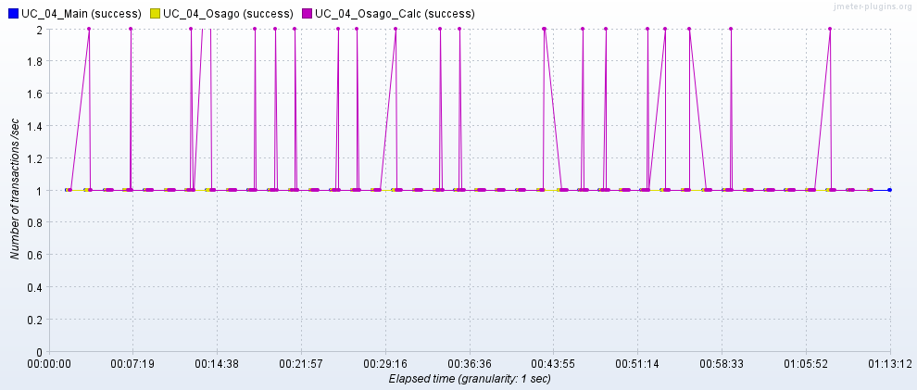
2020-12-03 03:30-04:30 | 2022-03-11 03:30-04:30 | 2022-03-18 03:30-04:30

UC_05
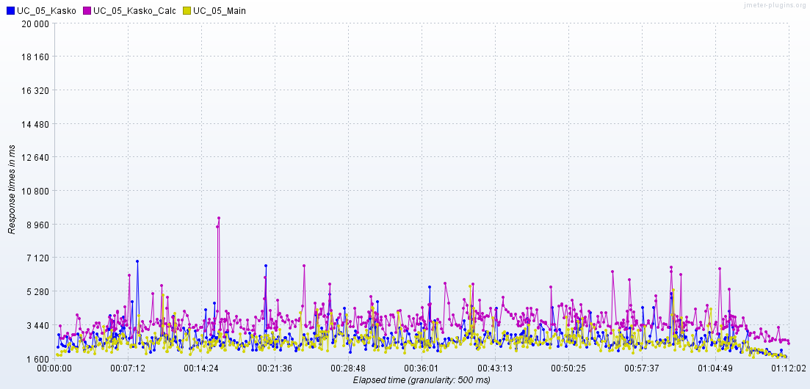
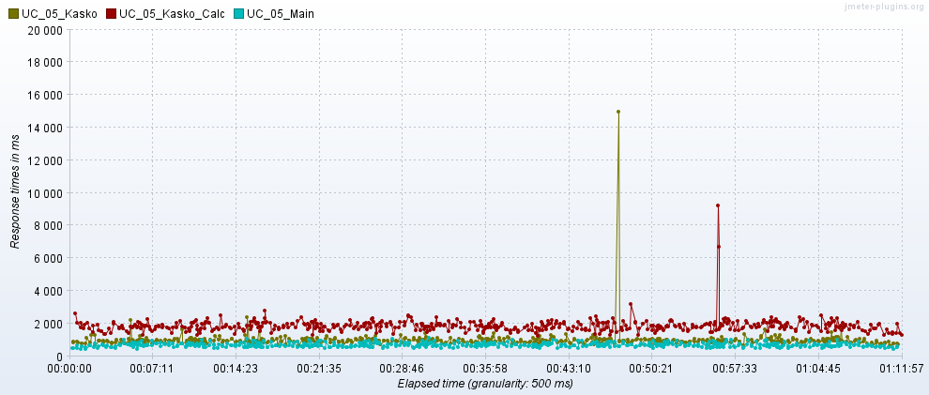
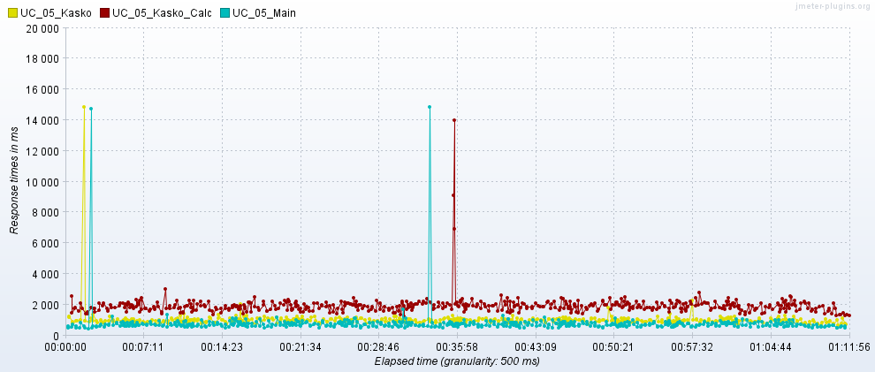
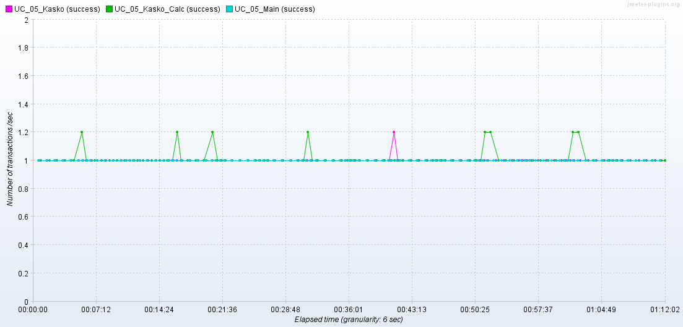
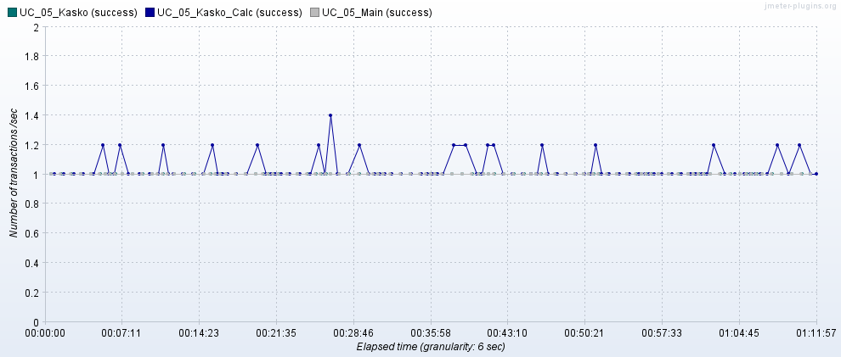
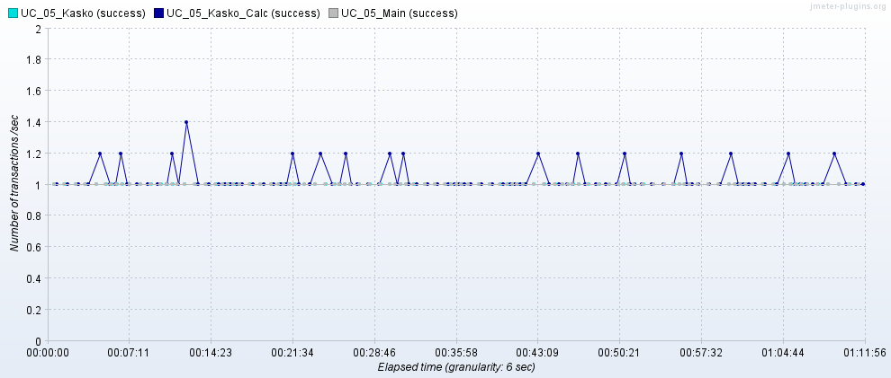
2020-12-03 03:30-04:30 | 2022-03-11 03:30-04:30 | 2022-03-18 03:30-04:30

UC_06
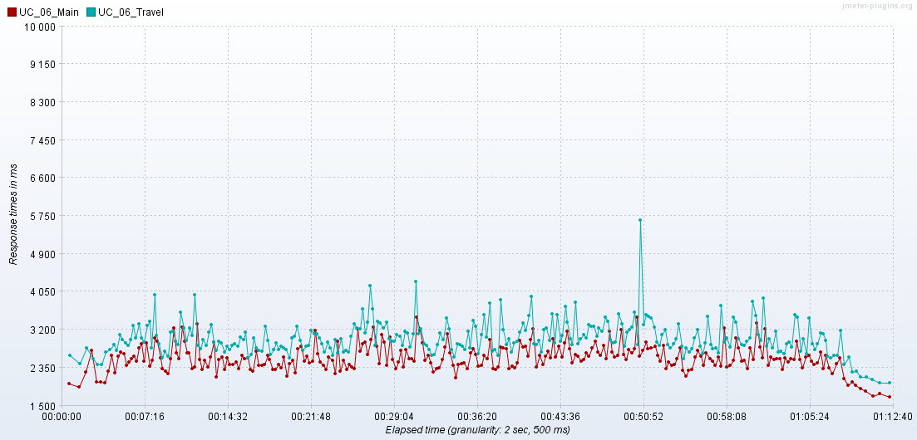
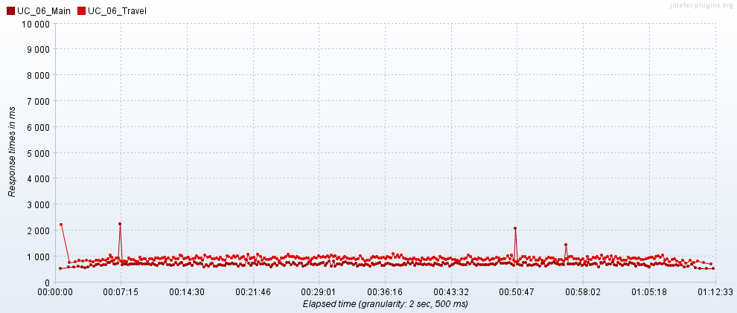
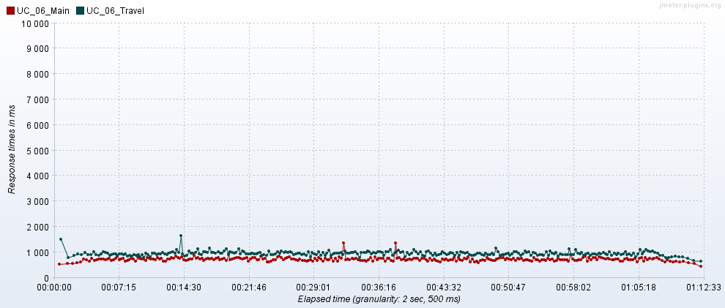
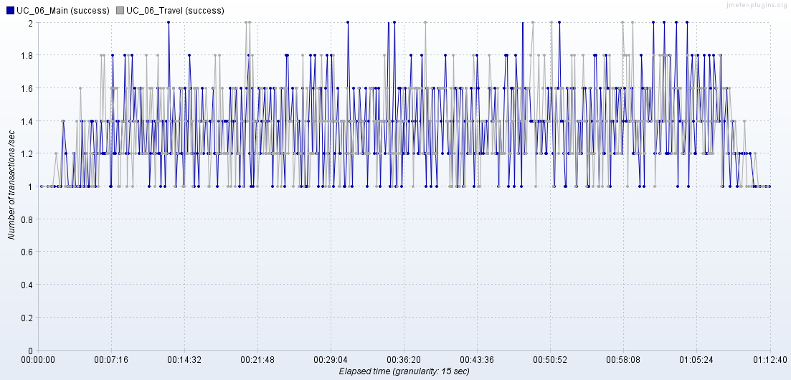
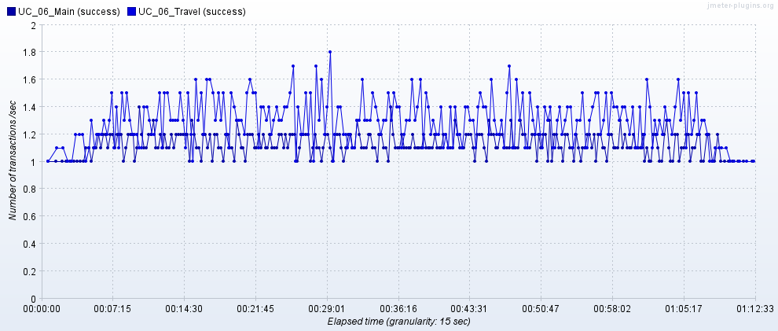
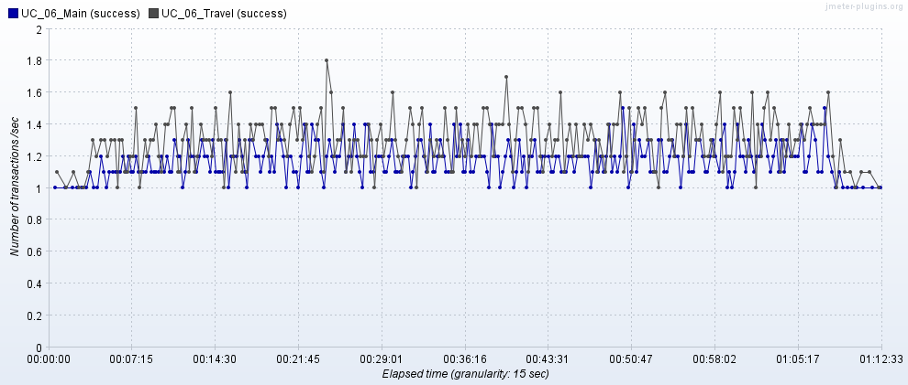
2020-12-03 03:30-04:30 | 2022-03-11 03:30-04:30 | 2022-03-18 03:30-04:30

CPU_RAM
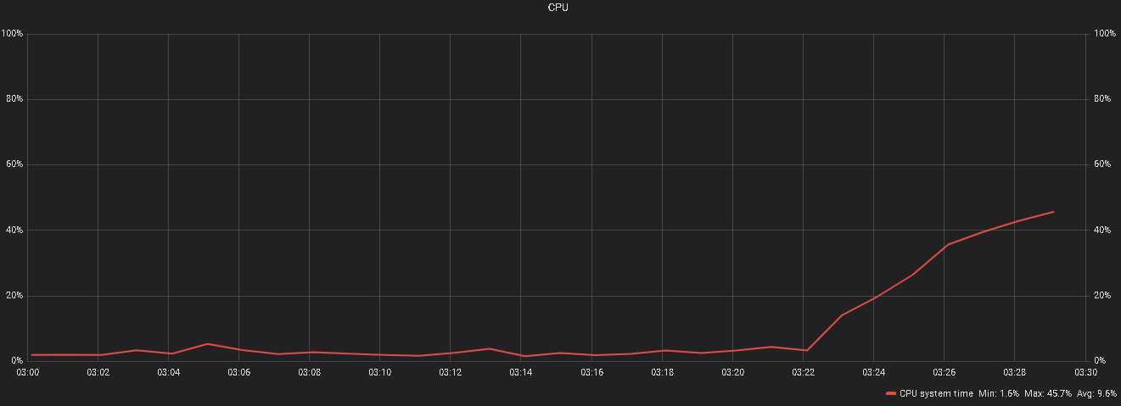
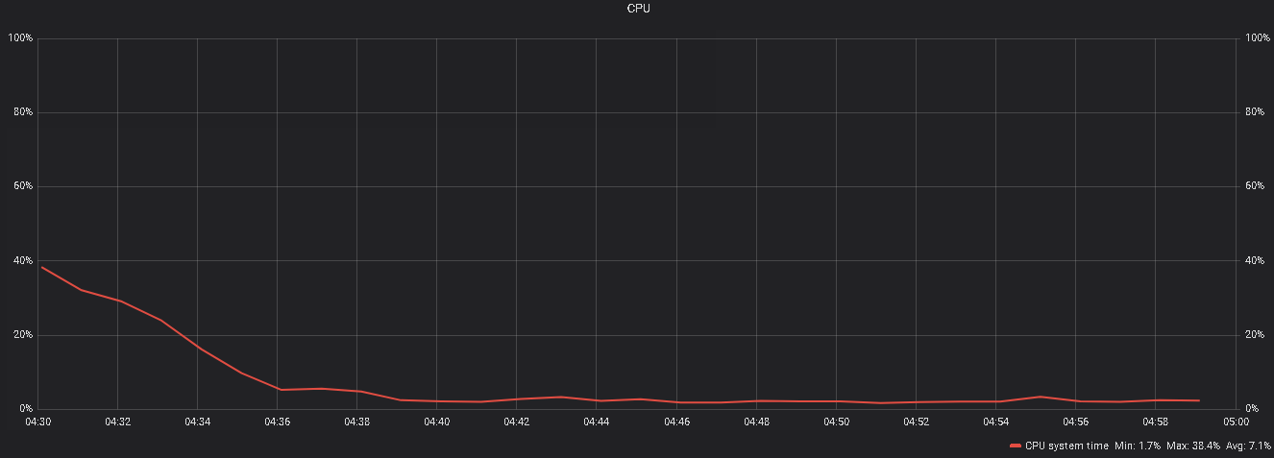
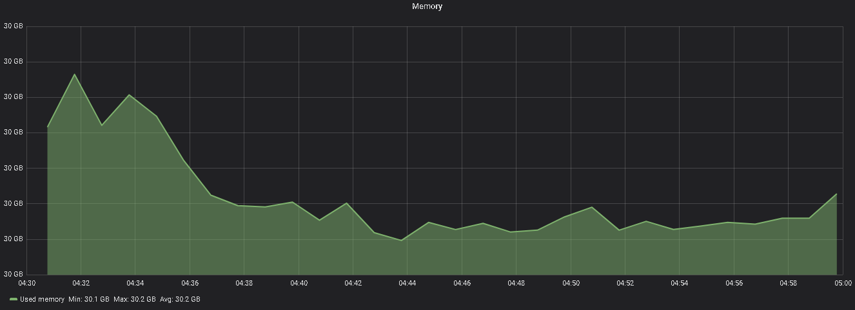
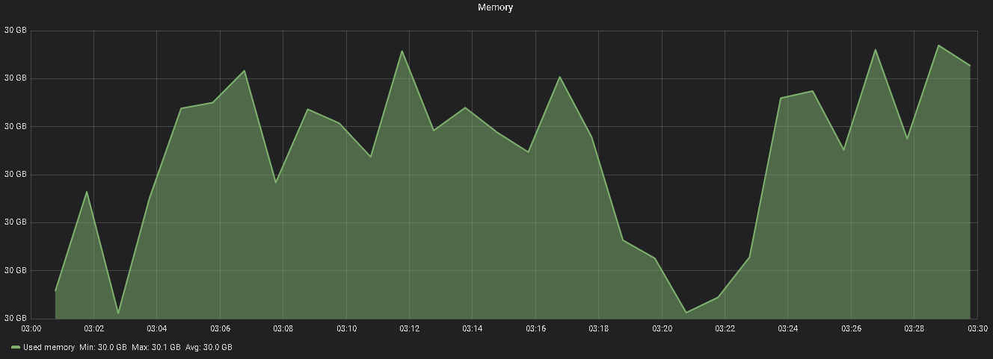
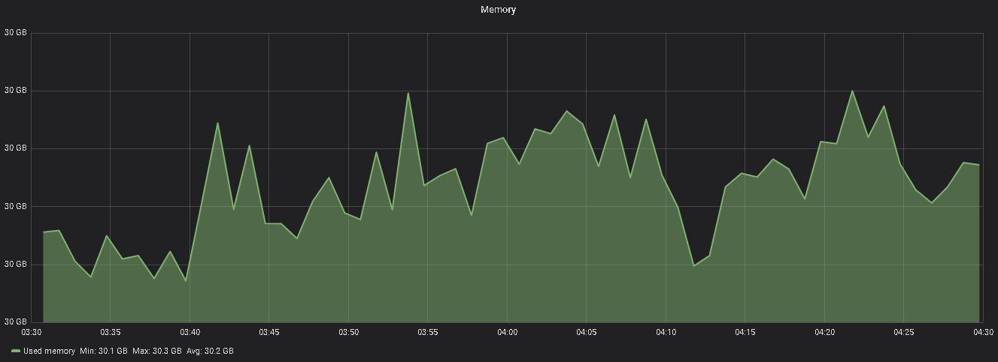
Утилизация CPU/RAM в тесте от 2020-12-03
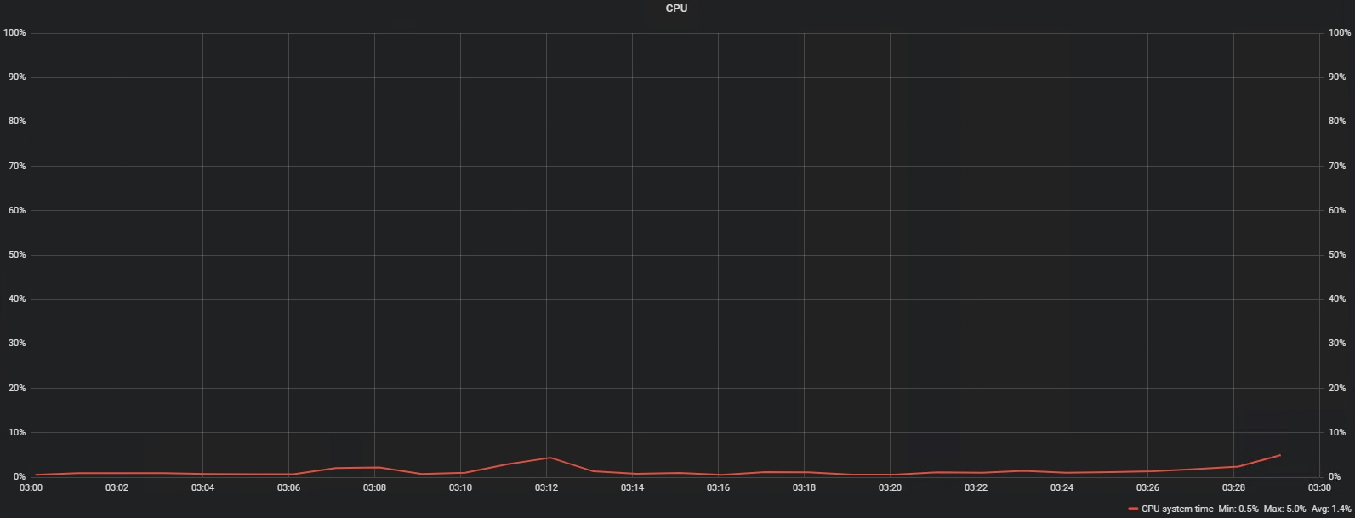
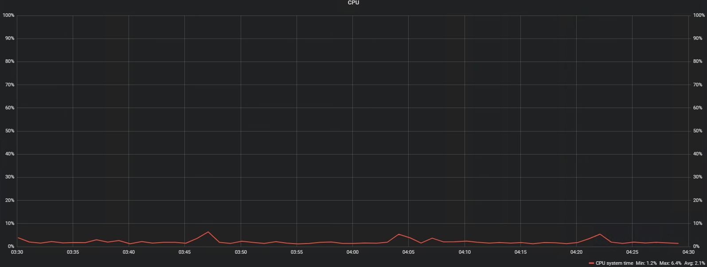
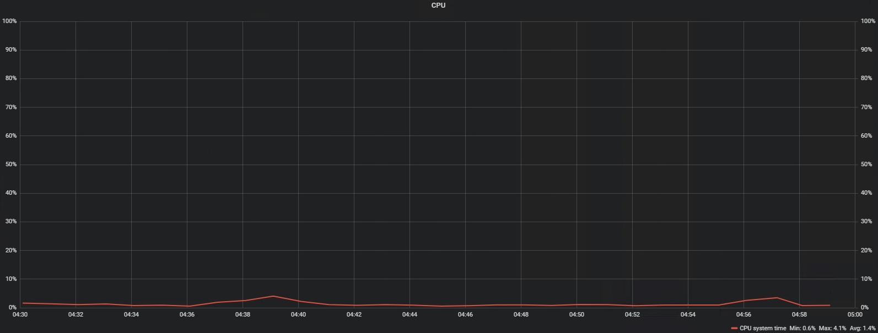

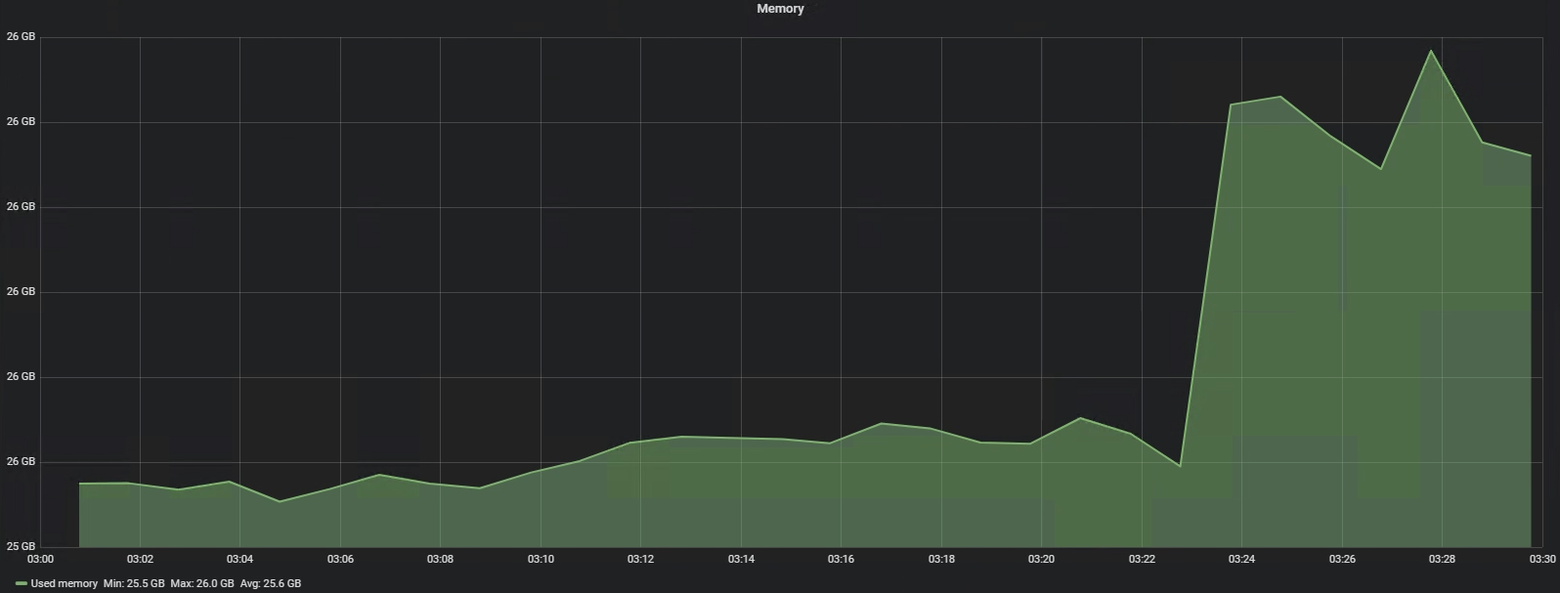
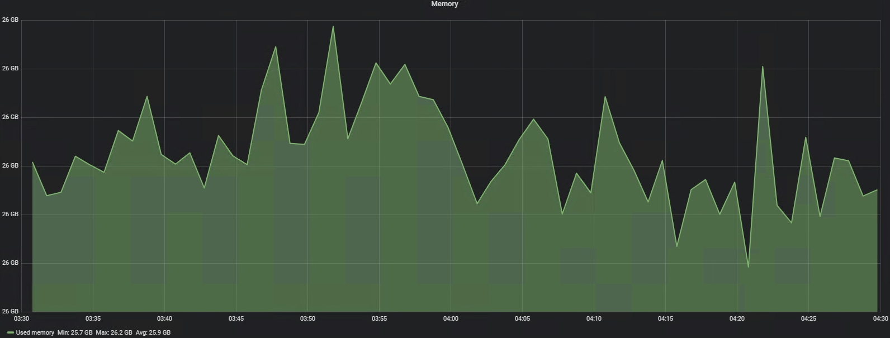
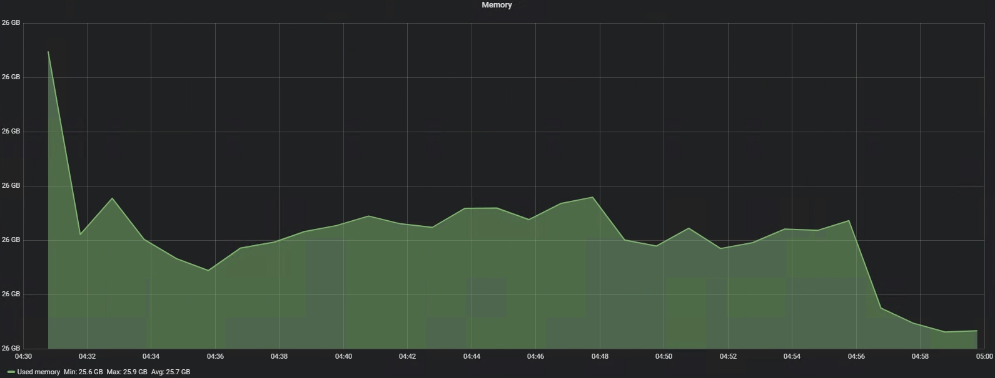

Утилизация CPU/RAM в тесте от 2022-03-11
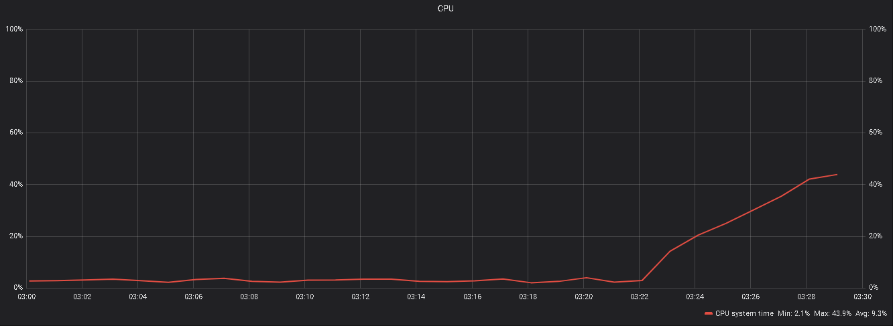
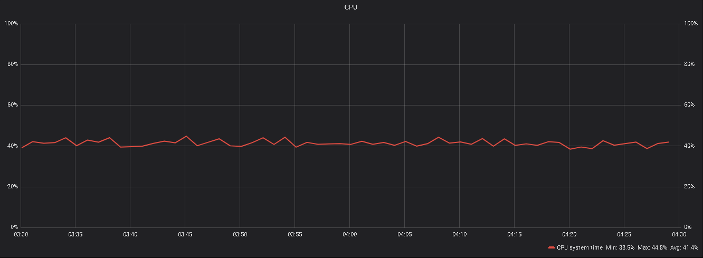
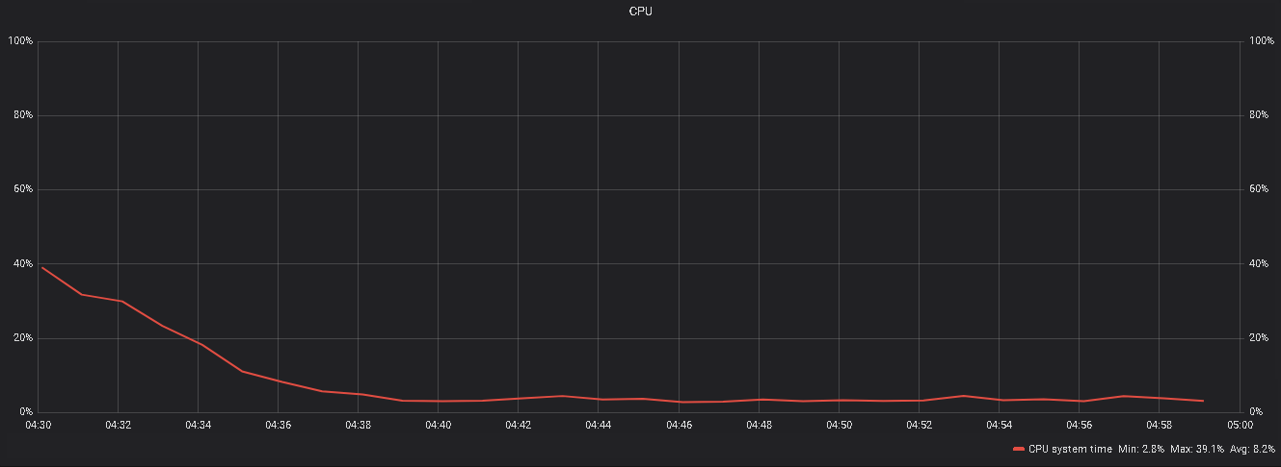






Утилизация CPU/RAM в тесте от 2022-03-18

